TPort H2 Calcs
Recalculating H2 prices for transportation
BTU/ft3 | gms/ft3 | BTU/kg
343 | 2.55 | 134509.80392

2020 Euro per kg hydrogen
2020 | 11 | EUR2020/kg |  | 11.0376013 | USD2012/kg
2030 | 7 | EUR2020/kg |  | 7.0239281 | USD2012/kg
2050 | 5 | EUR2020/kg |  | 5.0170915 | USD2012/kg

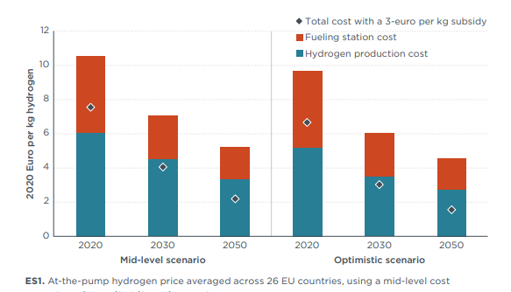

USD/BTU
2020 | 8.21E-05
2030 | 5.22E-05
2050 | 3.73E-05

2020 | 2021 | 2022 | 2023 | 2024 | 2025 | 2026 | 2027 | 2028 | 2029 | 2030 | 2031 | 2032 | 2033 | 2034 | 2035 | 2036 | 2037 | 2038 | 2039 | 2040 | 2041 | 2042 | 2043 | 2044 | 2045 | 2046 | 2047 | 2048 | 2049 | 2050
8.21E-05 | 7.91E-05 | 7.61E-05 | 7.31E-05 | 7.01E-05 | 6.71E-05 | 6.42E-05 | 6.12E-05 | 5.82E-05 | 5.52E-05 | 5.22E-05 | 5.15E-05 | 5.07E-05 | 5.00E-05 | 4.92E-05 | 4.85E-05 | 4.77E-05 | 4.70E-05 | 4.63E-05 | 4.55E-05 | 4.48E-05 | 4.40E-05 | 4.33E-05 | 4.25E-05 | 4.18E-05 | 4.10E-05 | 4.03E-05 | 3.95E-05 | 3.88E-05 | 3.80E-05 | 3.73E-05

Data
Commodity Prices (USD/Unit) |  |  |  |  | 2000 | 2001 | 2002 | 2003 | 2004 | 2005 | 2006 | 2007 | 2008 | 2009 | 2010 | 2011 | 2012 | 2013 | 2014 | 2015 | 2016 | 2017 | 2018 | 2019 | 2020 | 2021 | 2022 | 2023 | 2024 | 2025 | 2026 | 2027 | 2028 | 2029 | 2030 | 2031 | 2032 | 2033 | 2034 | 2035 | 2036 | 2037 | 2038 | 2039 | 2040 | 2041 | 2042 | 2043 | 2044 | 2045 | 2046 | 2047 | 2048 | 2049 | 2050 | 2051 | 2052 | 2053 | 2054 | 2055 | 2056 | 2057 | 2058 | 2059 | 2060 | 2061 | 2062 | 2063 | 2064 | 2065 | 2066 | 2067 | 2068 | 2069 | 2070 | 2071 | 2072 | 2073 | 2074 | 2075 | 2076 | 2077 | 2078 | 2079 | 2080 | 2081 | 2082 | 2083 | 2084 | 2085 | 2086 | 2087 | 2088 | 2089 | 2090 | 2091 | 2092 | 2093 | 2094 | 2095 | 2096 | 2097 | 2098 | 2099 | 2100 | Active* | Lists* | Fuel List | Feedstock List | Carbon List | Row | FX Index*
Commodity Prices (USD/Unit) | Carbon | Carbon - Europe - Benchmark (EUR/Tonne) | Tonne | EUR | - | - | - | - | - | - | - | - | - | - | - | - | 9.62 | 6.00 | 7.98 | 8.57 | 5.93 | 6.57 | 18.82 | 27.89 | 28.30 | 62.66 | 85.16 | 97.08 | 104.64 | 111.18 | 123.92 | 130.24 | 145.08 | 153.56 | 177.90 | 181.53 | 185.22 | 188.99 | 192.83 | 196.75 | 200.75 | 204.84 | 209.00 | 213.25 | 217.59 | 222.02 | 226.53 | 231.14 | 235.84 | 240.64 | 245.54 | 250.53 | 255.62 | 260.82 | 266.13 | 271.54 | 277.07 | 282.70 | 288.45 | 294.32 | 300.31 | 306.41 | 312.65 | 319.00 | 325.49 | 332.11 | 338.87 | 345.76 | 352.79 | 359.97 | 367.29 | 374.76 | 382.39 | 390.16 | 398.10 | 406.20 | 414.46 | 422.89 | 431.49 | 440.27 | 449.22 | 458.36 | 467.68 | 477.19 | 486.90 | 496.80 | 506.91 | 517.22 | 527.74 | 538.47 | 549.43 | 560.60 | 572.00 | 583.64 | 595.51 | 607.62 | 619.98 | 632.59 | 645.46 | 658.59 | 671.98 | 685.65 | 699.60 | 713.83 | 728.35 | 1 | - |  |  | Carbon - Europe - Benchmark (EUR/Tonne) | 4 | FX Index 38

HYDROGEN PRODUCTION SHARES BY TECHNOLOGY (hydgn/BHPSbP)
 | Production Share (dimensionless) | 2020 | 2021 | 2022 | 2023 | 2024 | 2025 | 2026 | 2027 | 2028 | 2029 | 2030 | 2031 | 2032 | 2033 | 2034 | 2035 | 2036 | 2037 | 2038 | 2039 | 2040 | 2041 | 2042 | 2043 | 2044 | 2045 | 2046 | 2047 | 2048 | 2049 | 2050
 | electrolysis | 0 | 0 | 0 | 0 | 0 | 0 | 0 | 0 | 0.01 | 0.01 | 0.01 | 0.02 | 0.03 | 0.04 | 0.05 | 0.06 | 0.06 | 0.07 | 0.08 | 0.09 | 0.1 | 0.11 | 0.12 | 0.14 | 0.15 | 0.16 | 0.17 | 0.18 | 0.19 | 0.2 | 0.21
 | natural gas reforming | 1 | 1 | 1 | 1 | 1 | 1 | 1 | 1 | 0.99 | 0.99 | 0.99 | 0.98 | 0.97 | 0.96 | 0.95 | 0.94 | 0.94 | 0.93 | 0.92 | 0.91 | 0.9 | 0.89 | 0.88 | 0.86 | 0.85 | 0.84 | 0.83 | 0.82 | 0.81 | 0.8 | 0.79

HYDROGEN PRODUCTION BY COUNTRY
 | Hydrogen Europe - The European hydrogen market landscape
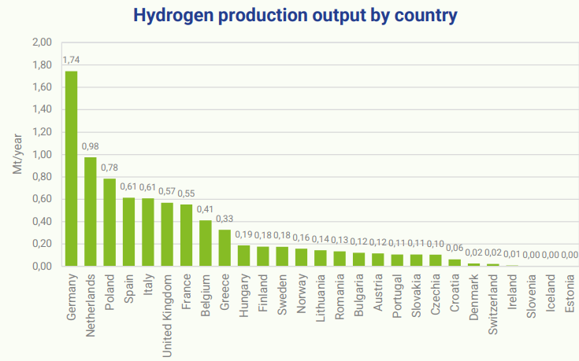

 |  | In Dataset? | Total Production | Helper | EU?
 | Germany | Yes | 1.74 | 1 | 1
 | Netherlands | Yes | 0.98 | 1 | 1
 | Poland | Yes | 0.78 | 1 | 1
 | Spain | Yes | 0.61 | 1 | 1
 | Italy | Yes | 0.61 | 1 | 1
 | UK | No | 0.57 | 0
 | France | Yes | 0.55 | 1 | 1
 | Belgium | Yes | 0.41 | 1 | 1
 | Greece | No | 0.33 | 0 | 1
 | Hungary | No | 0.19 | 0 | 1
 | Finland | No | 0.18 | 0 | 1
 | Sweden | No | 0.18 | 0 | 1
 | Norway | No | 0.16 | 0
 | Lithuania | No | 0.14 | 0 | 1
 | Romania | No | 0.13 | 0 | 1
 | Bulgaria | No | 0.12 | 0 | 1
 | Austria | No | 0.12 | 0 | 1
 | Portugal | No | 0.11 | 0 | 1
 | Slovakia | No | 0.11 | 0 | 1
 | Czechia | No | 0.1 | 0 | 1
 | Croatia | No | 0.06 | 0 | 1
 | Denmark | Yes | 0.02 | 1 | 1
 | Switzerland | No | 0.02 | 0
 | Ireland | No | 0.01 | 0 | 1
 | Slovenia | No | 0 | 0 | 1
 | Iceland | No | 0 | 0
 | Estonia | No | 0 | 0 | 1
 |  |  | 5.7 |  | 7.48 | 76%

TPort Electricity Calcs
Data from Lanz et al 2022
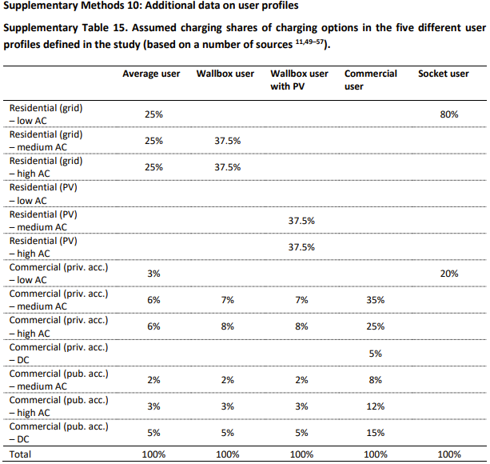
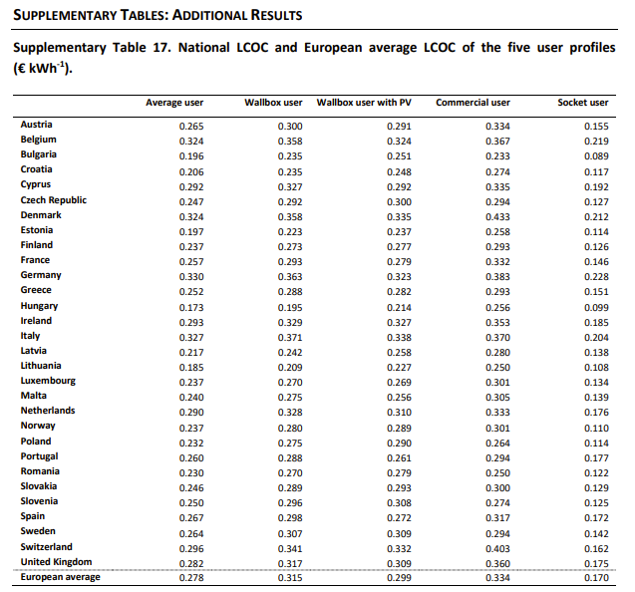
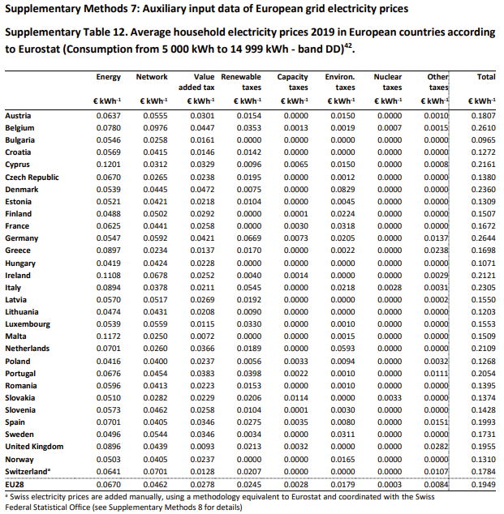
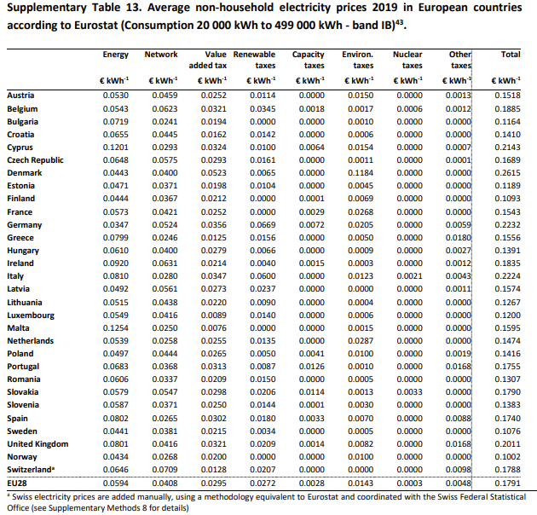

 |  |  |  |  |  | Average User |  |  |  |  | Energy | Network | VAT | Renewable Tax | Capacity Tax | Environ Tax | Nuclear Tax | Other Tax | Total | Energy | Network | VAT | Renewable Tax | Capacity Tax | Environ Tax | Nuclear Tax | Other Tax | Total
Levelized Cost of Charging (LCOC) [EUR2019/kWh] |  |  |  | European Average |  | 0.278 |  |  |  |  | 0.067 | 0.0462 | 0.0278 | 0.0245 | 0.0028 | 0.0179 | 0.0003 | 0.0084 | 0.1949 | 0.0594 | 0.0408 | 0.0295 | 0.0272 | 0.0028 | 0.0143 | 0.0003 | 0.0048 | 0.1791
Average User | € 0.28 |  |  |  |  |  |  |  |  |  |  |  |  |  |  |  |  |  | 0.41918932786 |  |  |  |  |  |  |  |  | 0.4405360134
Wallbox User | € 0.32
Wallbox User with PV | € 0.30
Commercial User | € 0.33 |  |  | https://ec.europa.eu/eurostat/databrowser/view/nrg_pc_204_c__custom_10816551/default/table?lang=en
Socket User | € 0.17 |  |  | NRG_PRC (Labels) | Energy and supply |  | Network costs | Taxes, fees, levies and charges | Value added tax (VAT) | Renewable taxes |  | Capacity taxes |  | Environmental taxes |  | Nuclear taxes |  | Other
 |  |  |  | TIME
Levelized Cost of Charging (LCOC) [USD2012/BTU] |  | To 2021 elec price | LCOC minus tax: | 2017 | 0.0603 |  | 0.0568 | : | : | : |  | : |  | : |  | : |  | :
Average User | 8.22E-05 | 8.50E-05 | 5.65E-05 | 2018 | 0.0669 |  | 0.0575 | : | : | : |  | : |  | : |  | : |  | :
Wallbox User | 9.31E-05 |  |  | 2019 | 0.0685 |  | 0.0601 | 0.0887 | 0.0336 | 0.0266 |  | 0.0033 |  | 0.0183 |  | 0.0003 |  | 0.0066
Wallbox User with PV | 8.84E-05 |  |  | 2020 | 0.0684 |  | 0.0627 | 0.0861 | 0.0328 | 0.0266 |  | 0.0033 |  | 0.0162 |  | 0.0004 |  | 0.0068
Commercial User | 9.87E-05 |  |  | 2021 | 0.0855 |  | 0.0617 | 0.0842 | 0.0334 | 0.0247 |  | 0.0033 |  | 0.0164 |  | 0.0002 |  | 0.0062
Socket User | 5.02E-05 |  |  | 2022 | 0.1430 |  | 0.0661 | 0.0520 | 0.0346 | 0.0095 |  | 0.0039 |  | 0.0078 |  | 0.0000 |  | -0.0039
 |  |  |  | 2023 | : |  | : | : | : | : |  | : |  | : |  | : |  | :

